Instructions
The intent of this document is for school district staff to summarize their Timeline for Initial Evaluation and Transition from Part C to Part B data by pasting their records into the Verified Records tab of this workbook. This is NOT an official submission to OSPI of the districts data. That must be completed through EDS applicaton in CEDARS. The User Guide is located at: https://www.k12.wa.us/student-success/special-education/special-education-data-collection/special-education-data-reporting-and-collection and navigate to the accordion tab labeled: Timeline for Initial Evaluation and Transition from Part C to Part B.

For questions or assistance please contact specialeddata@k12.wa.us

To use this template, follow the steps outlined below:

In the Initial Evaluation and Transition from Part C to Part B EDS Application, navigate to the Review and Submit tab (see screen shot below):

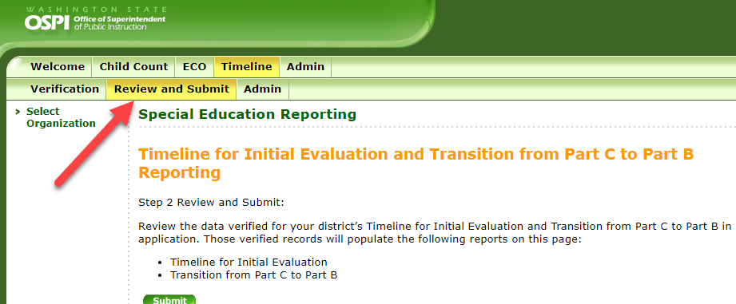

In the Initial Evaluation/Timeline summary report, click the verified Timeline for Initial Evaluation records link to download the records that have been verified for both the Initial Evaluations and Transition from Part C to Part B.

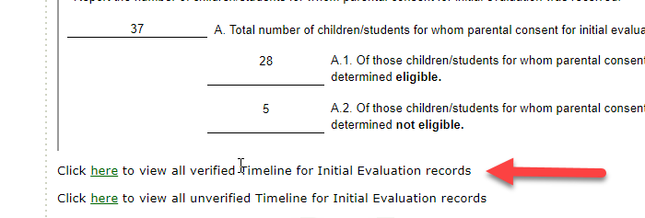

After downloading your list of verified Timeline for Initial Evaluation records (this file also contains your Transition from Part C to Part B verified records) you will need to copy those records and paste them into this template in the Verified Records tab.

When copying the verified records, pay close attention to the actual fields being copied. You will want to copy the data starting from cells A4 to T4 through the end of your district's set of verified records.

After pasting the data in the Verified Records tab of this workbook, the calculated fields should provide additional data (columns V through Z).

Navigate to the Transition from C 2 B and Initial Eval templates to see your data populated into the Summary Reports.

