Instructions
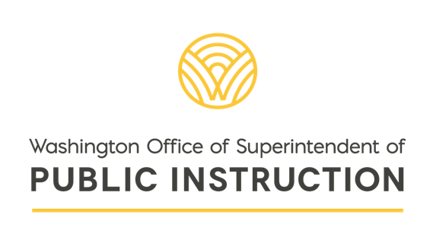
2025-26 Breakfast Meals for Kids Grant Application

Please complete each tab of this workbook. Once you have completed each tab, send the workbook with any required attachments to CNSGrants@k12.wa.us.

If you have any questions about your organization's eligibility or the grant application, please reach out to CNSGrants@k12.wa.us

