Introduction
DRAFT Washington State K-12 Learning Standards for Financial Eductation Crosswalk Introduction
December 2025 | v1.0
Purpose of this file:
This file shows the similarities and differences between learning standards that are currently in use for Financial Education in Washington schools and the proposed draft learning standards that are now available for public review and comment. This file is meant to help educators and other stakeholders understand how the Financial Education standards were revised and reorganized into the proposed draft.
The tabs for each grade level or grade band contain:
Column A: Grade level or grade band Column B: Code of the current learning standard. "NA" appears if there is no alignment to a current standard. Column C: Text of the current learning standard. "New in 2025" appears is no alignement to a current standard. Column D: Code of the proposed draft standard that aligns to the current learning standard. Column E: Text of the proposed draft learning standard. Column F: A "Yes" means it is proposed to be a priority standard. Column G: The domain the proposed learning standard is grouped into.
Understanding the coding system in column D:
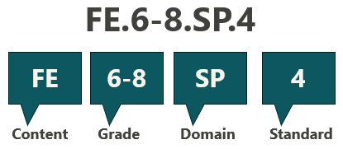
The example indicates Financial Education, grades 6-8, spending domain, standard number 4. Content code tells which content area or subject the standard is for. Grade level or grade band tells which grade level(s) the standard is for. Domains group associated skills and knowledge together and are indicated with a lettered abbreviation. Standard numeral is given to one unique statement about what students should understand and be able to do. Lettered indicators provide specificity for the numbered standards. Not all standards have letters.

