Title Page
Initial Washington State K-12 Learning Standards for Mathematics

December 2025

Legal Notice
Except where otherwise noted, this work by the Office of Superintendent of Public Instruction is licensed under a Creative Commons Attribution License.
Alternate material licenses with different levels of user permission are clearly indicated next to the specific content in the materials.
This resource may contain links to websites operated by third parties. These links are provided for your convenience only and do not constitute or imply any endorsement or monitoring by OSPI.
If this work is adapted, note the substantive changes and re-title, removing any Washington Office of Superintendent of Public Instruction logos. Provide the following attribution:
“This resource was adapted from original materials provided by the Office of Superintendent of Public Instruction. Original materials may be accessed at [link to OSPI website location]."
OSPI provides equal access to all programs and services without discrimination based on sex, race, creed, religion, color, national origin, age, honorably discharged veteran or military status, sexual orientation including gender expression or identity, the presence of any sensory, mental, or physical disability, or the use of a trained dog guide or service animal by a person with a disability. Questions and complaints of alleged discrimination should be directed to the Equity and Civil Rights Director at 360-725-6162 or P.O. Box 47200, Olympia, WA 98504-7200.
Download this material at Washington State Learning Standards Review. This material is available in alternative format upon request. Contact the Front Desk at 360-725-6000.

What is New
Washington State K-12 Learning Standards for Mathematics What is New
December 2025 | v1.0 | File Overview
To provide consistency for educators:
Common labels and coding system across all content areas, for example:
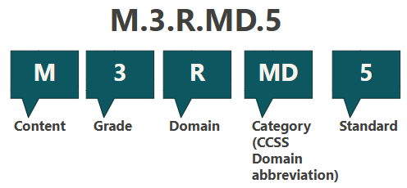
Content code tells which content area or subject the standard is for. Grade level or grade band tells which grade level(s) the standard is for. Domains group associated skills and knowledge together and are indicated with a lettered abbreviation. Category tells which Common Core Math domain this standard is from. Standard numeral is given to one unique statement about what students should understand and be able to do. Lettered indicators provide specificity for the numbered standards. Not all standards have letters.
To address student skills in data science and data literacy:
•New data science standards combine mathematics, information science, and computer science to help students ask questions, collect and analyze data, and interpret results. •New standards focus on fostering creativity and critical thinking, allowing students of all ages to engage in data inquiries, from basic statistical questions in early grades to more complex analysis at higher levels. •Data science standards are written to be used in real-world applications across subjects.
To support the connection of the standards:
•The standards are reorganized into four domains: Data Analysis, Quantity, Relationships, and Spatial Reasoning. Related concepts across grades support students to develop the skills needed to analyze data, reason with quantities, understand real-world patterns, and explore spatial relationships. •This reorganization moves away from isolated math concepts and emphasizes interconnectedness to foster deeper conceptual understanding and flexible problem-solving skills.
To clarify mathematical fluency:
•Standards clarify fluency as the ability to select and flexibly use appropriate strategies efficiently and accurately. •Moving beyond speed-based memorization aligns with research-supported definitions of mathematical proficiency, emphasizing strategy use and conceptual understanding. •Procedural fluency, built on the foundations of computational and basic fact fluency, is the goal for all students.

